G1
 | 2012 | 2013 | 2014
Acciones | 4.3% | 6.5% | 6.9%
P2P lending | 44.2% | 56.5% | 68.3%
Donaciones | 37.0% | 22.0% | 12.0%
Recompensas | 14.5% | 12.0% | 8.2%
Híbrido | 0.0% | 2.0% | 3.0%
Regalias | 0.0% | 1.0% | 1.7%

 |  |  | Gráfico 1. Composición del Crowdfunding por sub-tipo

2012
2014

D1
Gráfico 2. Funcionamiento del P2P lending
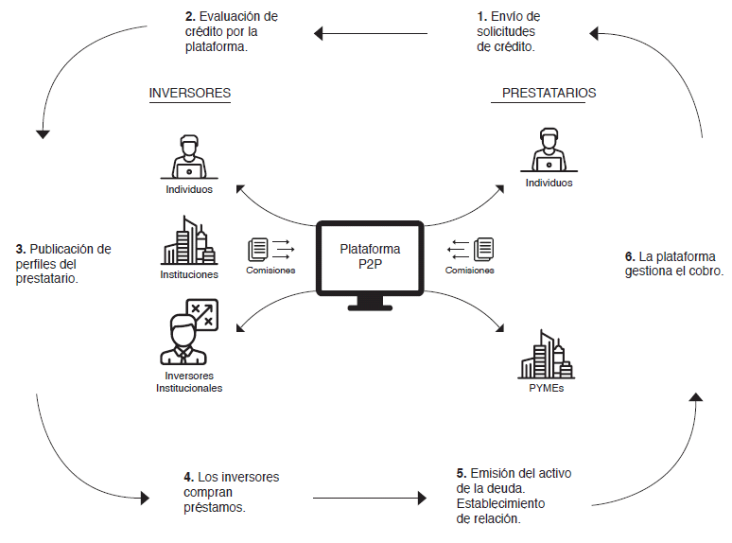

Fuente: Positive Planet Group. Aveny, T. (2015).

G2
Global Marketplace Loan Issuance ($billions)
 | 2010 | 2011 | 2012 | 2013 | 2014

EEUU | 1 | 1.4 | 2.4 | 5.2 | 12
Reino Unido |  |  |  | 0.8 | 2.3
China |  |  |  | 3 | 8.9
Australia |  |  |  | 0.3 | 0.5

Total | 1 | 1.4 | 2.4 | 9.3 | 23.7

 |  | Gráfico 3. Colocación de créditos P2P
 | EEUU | Reino Unido | China | Australia
2010 | 1
2011 | 1.4
2012 | 2.4
2013 | 5.2 | 0.8 | 3 | 0.3
2014 | 12 | 2.3 | 8.9 | 0.5

 |  | Fuente: Company Data, Morgan Stanley Research estimates.

G3
 | 1.21583 |  |  | 1.48093
Panel A. Europa (Sin Reino Unido) |  |  | Panel B. Reino Unido 2015
 | Saldo (millones de USD) | Participación |  | Saldo (millones de USD) | Participación
Consumo | 333.87 | 74.7% | Consumo | 1346.17 | 37.9%
Empresas | 113.19 | 25.3% | Empresas | 2206.59 | 62.1%

Gráfico 4. Distribución de los préstamos originados por las plataformas de P2P lending por tipo

Panel A. Europa (Sin el Reino Unido) en 2014 |  |  | Panel B. Reino Unido en 2015

